AXISONF
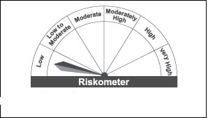
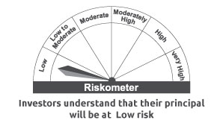
AXISONF | Axis Overnight Fund

 | Monthly Portfolio Statement as on September 30, 2022
 | Name of the instrument | ISIN | Industry/ rating | Quantity | Market/ fair value (Rs. in Lakhs) | % to net assets | YTM~ | YTC^ | null
 | Money Market Instruments
 | Treasury Bill
TBIL2074 | 91 Days Tbill (MD 13/10/2022) | IN002022X155 | Sovereign | 10,000,000 | 9,980.93 | 0.92% | 5.81%
TBIL1952 | 364 Days Tbill (MD 13/10/2022) | IN002021Z293 | Sovereign | 7,500,000 | 7,485.73 | 0.69% | 5.80%
TBIL1984 | 364 Days Tbill (MD 06/10/2022) | IN002021Z285 | Sovereign | 2,500,000 | 2,498.01 | 0.23% | 5.81%
 | Sub Total |  |  |  | 19,964.67 | 1.84%
 | Total |  |  |  | 19,964.67 | 1.84%
 | Reverse Repo / TREPS
TRP_031022 | Clearing Corporation of India Limited |  |  |  | 1,064,981.90 | 98.14% | 5.99%
 | Sub Total |  |  |  | 1,064,981.90 | 98.14%
 | Total |  |  |  | 1,064,981.90 | 98.14%
 | Net Receivables / (Payables) |  |  |  | 251.54 | 0.02%
 | GRAND TOTAL |  |  |  | 1,085,198.11 | 100.00%

 | ~ YTM as on September 30, 2022
 | ^ YTC represents Yield to Call provided by valuation agencies as on September 30, 2022. It is disclosed for Perpetual Bond issued by Banks (i.e. AT-1 Bond / Tier 1 Bond / Tier 2 Bond), as per AMFI Best Practices Guidelines Circular no. 135/BP/91/2020-21 read with SEBI circular No. SEBI/HO/IMD/DF4/CIR/P/2021/034 on Valuation of AT-1 Bonds and Tier 2 Bonds.

 |  | Benchmark Name - NIFTY 1D RATE INDEX
 | Scheme Risk-O-Meter | Benchmark Risk-O-Meter

